DESIGN
Project: | TINRHERT | TEMPERATURE PROFILE - VESSEL SKIRT |  |  |  |  | Rev. |  | 0
Client: | SONATRACH |  |  |  |  |  | Date : |  | 17/06/2020
Job No: | JI-2043 |  |  |  |  |  | Prep. By: |  | ERS
Doc No: | Attachment to 08572-TRHT-RT-PI-00-OO-313 |  |  |  |  |  | Chkd. By: |  | UK

 | AREA: | Future Compressor |  |  |  |  | SKIRT TOP NODE NO: |  |  |  | 12045
 |  |  |  |  |  |  | EQUIPMENT NO: |  |  |  | V-307C
 | STRESS SYSTEM NO: |  |  | SYS-177A

INPUT DATA :

 | Ambient/Installation Temperature "Ta" [OC] |  |  |  |  | 25.00 |  | 77.0 |  | [OF]

 | Temperature at Top of skirt "T" [OC] {Input Equipment Design Temperature} |  |  |  |  | 80 |  | 176.0 |  | [OF]

 | Insulation Constant "K" |  |  |  |  | 1.0 |  | 1.0

 | Skirt Height "h" [mm] |  |  |  |  | 3250 |  | 10.66 |  | [ft]

 | Skirt wall thickness "t" [mm] |  |  |  |  | 18 |  | 0.709 |  | [in]

 | Skirt Material |  |  |  |  | CS

The Temperature used for calculating skirt expansion are taken from the equation below:

 |  |  |  |  | ∆T= | T - Ta

 |  |  |  |  | ∆T= | 99.00 | [OF]

 | Average Skirt Temperature,T' [OF] = |  |  |  |  |  | ∆T' + Ta

 | Where
 |  | ∆T'= |  | F ( ∆T )

 |  | F = | Temperature Correction Factor (Considered as per Attached Graph)
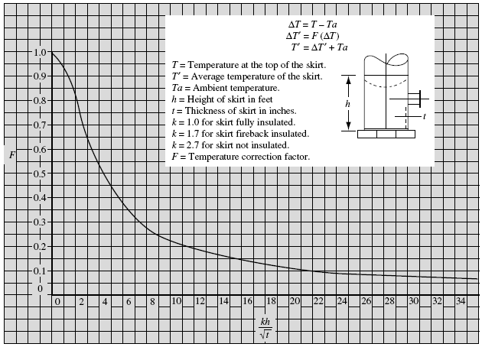
 |  | Kh/t0.5 = | 12.67

 |  | F = | 0.180

 |  | ∆T'= | 17.82 |  | [OF]

 |  | T'= | 94.82 |  | [OF]

 |  | T'= | 34.90 |  | [OC]

 | Linear Thermal Expansion at Temp. T' (OC), eT'= |  |  |  |  |  |  | 0.000159 |  | [mm/mm]

 | Linear Thermal Expansion at Temp. Ta (OC), eTa= |  |  |  |  |  |  | 0.000045 |  | [mm/mm]

 | Total Linear Thermal Expansion eT'-eTa= |  |  |  |  |  |  | 0.000114 |  | [mm/mm]

 | Total Expansion for Skirt Height "h" of CS Material |  |  |  |  |  |  | 0.37 |  | [mm]

REFERENCE:
 | The formula used for Vessel Skirt Expansion calculation is as per "Piping & Pipeline Assessment Guide" by Keith Escoe

